TOTAL
Alkalmazott szűrők: TRANSPORT_MODE egyezik ezzel: Sea Reference type egyezik ezzel: Highlighted references only „QUERY_List_Carrier_name_EDIQ_Act”[LSP] egyezik ezzel: Maersk Date ekkori vagy későbbi a következőnél: 2026.05.04. 0:00:00 és dátuma korábbi, mint 2026.05.11. 0:00:00 SHIPMENT_CANCELLED egyezik ezzel: (Üres) Previous and next 1 year egyezik ezzel: Y KPI_Category nem egyezik ezzel: Mapping
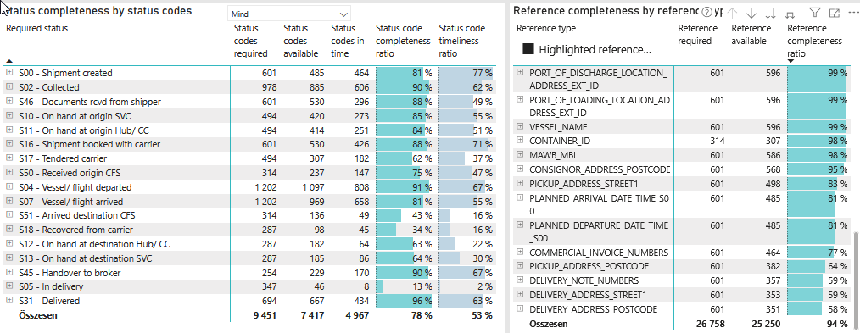
Required status | Status type | „QUERY_List_Carrier_EDIQ_Act”[LSP] | Status codes required | Status codes available | Status codes in time | Status code completeness ratio | Status code timeliness ratio
S00 - Shipment created | Actual | Maersk | 601 | 485 | 464 | 81 % | 77 %
S02 - Collected | Estimated | Maersk | 489 | 463 | 384 | 95 % | 79 %
S02 - Collected | Actual | Maersk | 489 | 422 | 222 | 86 % | 45 %
S46 - Documents rcvd from shipper | Actual | Maersk | 601 | 530 | 296 | 88 % | 49 %
S10 - On hand at origin SVC | Actual | Maersk | 494 | 420 | 273 | 85 % | 55 %
S11 - On hand at origin Hub/ CC | Actual | Maersk | 494 | 414 | 251 | 84 % | 51 %
S16 - Shipment booked with carrier | Actual | Maersk | 601 | 530 | 426 | 88 % | 71 %
S17 - Tendered carrier | Actual | Maersk | 494 | 307 | 182 | 62 % | 37 %
S50 - Received origin CFS | Actual | Maersk | 314 | 237 | 147 | 75 % | 47 %
S04 - Vessel/ flight departed | Estimated | Maersk | 601 | 590 | 506 | 98 % | 84 %
S04 - Vessel/ flight departed | Actual | Maersk | 601 | 507 | 302 | 84 % | 50 %
S07 - Vessel/ flight arrived | Estimated | Maersk | 601 | 593 | 488 | 99 % | 81 %
S07 - Vessel/ flight arrived | Actual | Maersk | 601 | 376 | 170 | 63 % | 28 %
S51 - Arrived destination CFS | Actual | Maersk | 314 | 136 | 49 | 43 % | 16 %
S18 - Recovered from carrier | Actual | Maersk | 287 | 98 | 45 | 34 % | 16 %
S12 - On hand at destination Hub/ CC | Actual | Maersk | 287 | 182 | 64 | 63 % | 22 %
S13 - On hand at destination SVC | Actual | Maersk | 287 | 185 | 86 | 64 % | 30 %
S45 - Handover to broker | Actual | Maersk | 254 | 229 | 170 | 90 % | 67 %
S05 - In delivery | Actual | Maersk | 347 | 46 | 8 | 13 % | 2 %
S31 - Delivered | Estimated | Maersk | 347 | 345 | 313 | 99 % | 90 %
S31 - Delivered | Actual | Maersk | 347 | 322 | 121 | 93 % | 35 %

FCL
Alkalmazott szűrők: TRANSPORT_MODE egyezik ezzel: Sea TRANSPORT_SERVICE_PRIORITY egyezik ezzel: FCL/FCL/FCL Reference type egyezik ezzel: Highlighted references only „QUERY_List_Carrier_name_EDIQ_Act”[LSP] egyezik ezzel: Maersk Date ekkori vagy későbbi a következőnél: 2026.05.04. 0:00:00 és dátuma korábbi, mint 2026.05.11. 0:00:00 SHIPMENT_CANCELLED egyezik ezzel: (Üres) Previous and next 1 year egyezik ezzel: Y KPI_Category nem egyezik ezzel: Mapping

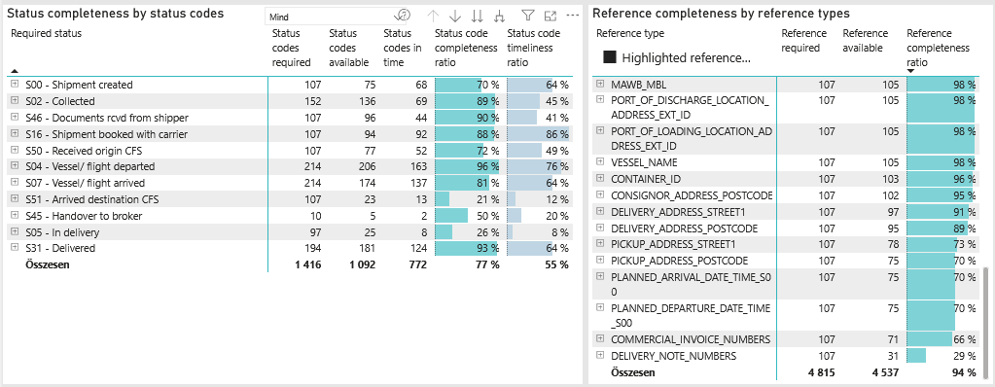
Required status | Status type | „QUERY_List_Carrier_EDIQ_Act”[LSP] | Status codes required | Status codes available | Status codes in time | Status code completeness ratio | Status code timeliness ratio
S00 - Shipment created | Actual | Maersk | 107 | 75 | 68 | 70 % | 64 %
S02 - Collected | Estimated | Maersk | 76 | 73 | 49 | 96 % | 64 %
S02 - Collected | Actual | Maersk | 76 | 63 | 20 | 83 % | 26 %
S46 - Documents rcvd from shipper | Actual | Maersk | 107 | 96 | 44 | 90 % | 41 %
S16 - Shipment booked with carrier | Actual | Maersk | 107 | 94 | 92 | 88 % | 86 %
S50 - Received origin CFS | Actual | Maersk | 107 | 77 | 52 | 72 % | 49 %
S04 - Vessel/ flight departed | Estimated | Maersk | 107 | 104 | 92 | 97 % | 86 %
S04 - Vessel/ flight departed | Actual | Maersk | 107 | 102 | 71 | 95 % | 66 %
S07 - Vessel/ flight arrived | Estimated | Maersk | 107 | 104 | 86 | 97 % | 80 %
S07 - Vessel/ flight arrived | Actual | Maersk | 107 | 70 | 51 | 65 % | 48 %
S51 - Arrived destination CFS | Actual | Maersk | 107 | 23 | 13 | 21 % | 12 %
S45 - Handover to broker | Actual | Maersk | 10 | 5 | 2 | 50 % | 20 %
S05 - In delivery | Actual | Maersk | 97 | 25 | 8 | 26 % | 8 %
S31 - Delivered | Estimated | Maersk | 97 | 96 | 90 | 99 % | 93 %
S31 - Delivered | Actual | Maersk | 97 | 85 | 34 | 88 % | 35 %

LCL
Alkalmazott szűrők: TRANSPORT_MODE egyezik ezzel: Sea TRANSPORT_SERVICE_PRIORITY egyezik ezzel: LCL/LCL/LCL Reference type egyezik ezzel: Highlighted references only „QUERY_List_Carrier_name_EDIQ_Act”[LSP] egyezik ezzel: Maersk Date ekkori vagy későbbi a következőnél: 2026.05.04. 0:00:00 és dátuma korábbi, mint 2026.05.11. 0:00:00 SHIPMENT_CANCELLED egyezik ezzel: (Üres) Previous and next 1 year egyezik ezzel: Y KPI_Category nem egyezik ezzel: Mapping

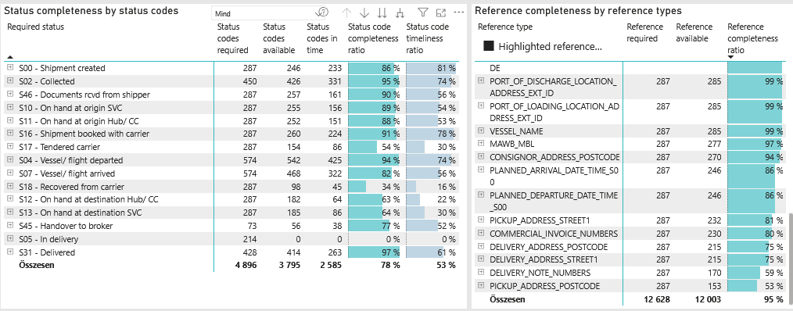
Required status | Status type | „QUERY_List_Carrier_EDIQ_Act”[LSP] | Status codes required | Status codes available | Status codes in time | Status code completeness ratio | Status code timeliness ratio
S00 - Shipment created | Actual | Maersk | 287 | 246 | 233 | 86 % | 81 %
S02 - Collected | Estimated | Maersk | 225 | 220 | 191 | 98 % | 85 %
S02 - Collected | Actual | Maersk | 225 | 206 | 140 | 92 % | 62 %
S46 - Documents rcvd from shipper | Actual | Maersk | 287 | 257 | 161 | 90 % | 56 %
S10 - On hand at origin SVC | Actual | Maersk | 287 | 255 | 156 | 89 % | 54 %
S11 - On hand at origin Hub/ CC | Actual | Maersk | 287 | 252 | 151 | 88 % | 53 %
S16 - Shipment booked with carrier | Actual | Maersk | 287 | 260 | 224 | 91 % | 78 %
S17 - Tendered carrier | Actual | Maersk | 287 | 154 | 86 | 54 % | 30 %
S04 - Vessel/ flight departed | Estimated | Maersk | 287 | 283 | 245 | 99 % | 85 %
S04 - Vessel/ flight departed | Actual | Maersk | 287 | 259 | 180 | 90 % | 63 %
S07 - Vessel/ flight arrived | Estimated | Maersk | 287 | 283 | 235 | 99 % | 82 %
S07 - Vessel/ flight arrived | Actual | Maersk | 287 | 185 | 87 | 64 % | 30 %
S18 - Recovered from carrier | Actual | Maersk | 287 | 98 | 45 | 34 % | 16 %
S12 - On hand at destination Hub/ CC | Actual | Maersk | 287 | 182 | 64 | 63 % | 22 %
S13 - On hand at destination SVC | Actual | Maersk | 287 | 185 | 86 | 64 % | 30 %
S45 - Handover to broker | Actual | Maersk | 73 | 56 | 38 | 77 % | 52 %
S05 - In delivery | Actual | Maersk | 214 | 0 | 0 | 0 % | 0 %
S31 - Delivered | Estimated | Maersk | 214 | 213 | 191 | 100 % | 89 %
S31 - Delivered | Actual | Maersk | 214 | 201 | 72 | 94 % | 34 %

BCO
Alkalmazott szűrők: TRANSPORT_MODE egyezik ezzel: Sea TRANSPORT_SERVICE_PRIORITY egyezik ezzel: LCL/FCL/FCL Reference type egyezik ezzel: Highlighted references only „QUERY_List_Carrier_name_EDIQ_Act”[LSP] egyezik ezzel: Maersk Date ekkori vagy későbbi a következőnél: 2026.05.04. 0:00:00 és dátuma korábbi, mint 2026.05.11. 0:00:00 SHIPMENT_CANCELLED egyezik ezzel: (Üres) Previous and next 1 year egyezik ezzel: Y KPI_Category nem egyezik ezzel: Mapping

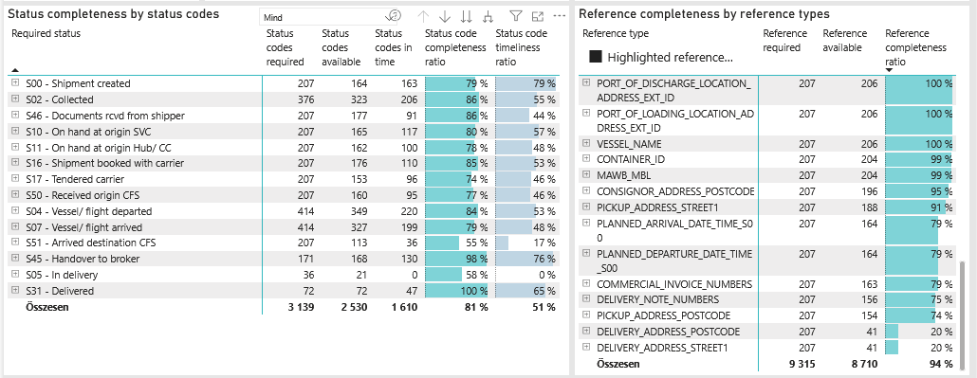
Required status | Status type | „QUERY_List_Carrier_EDIQ_Act”[LSP] | Status codes required | Status codes available | Status codes in time | Status code completeness ratio | Status code timeliness ratio
S00 - Shipment created | Actual | Maersk | 207 | 164 | 163 | 79 % | 79 %
S02 - Collected | Estimated | Maersk | 188 | 170 | 144 | 90 % | 77 %
S02 - Collected | Actual | Maersk | 188 | 153 | 62 | 81 % | 33 %
S46 - Documents rcvd from shipper | Actual | Maersk | 207 | 177 | 91 | 86 % | 44 %
S10 - On hand at origin SVC | Actual | Maersk | 207 | 165 | 117 | 80 % | 57 %
S11 - On hand at origin Hub/ CC | Actual | Maersk | 207 | 162 | 100 | 78 % | 48 %
S16 - Shipment booked with carrier | Actual | Maersk | 207 | 176 | 110 | 85 % | 53 %
S17 - Tendered carrier | Actual | Maersk | 207 | 153 | 96 | 74 % | 46 %
S50 - Received origin CFS | Actual | Maersk | 207 | 160 | 95 | 77 % | 46 %
S04 - Vessel/ flight departed | Estimated | Maersk | 207 | 203 | 169 | 98 % | 82 %
S04 - Vessel/ flight departed | Actual | Maersk | 207 | 146 | 51 | 71 % | 25 %
S07 - Vessel/ flight arrived | Estimated | Maersk | 207 | 206 | 167 | 100 % | 81 %
S07 - Vessel/ flight arrived | Actual | Maersk | 207 | 121 | 32 | 58 % | 15 %
S51 - Arrived destination CFS | Actual | Maersk | 207 | 113 | 36 | 55 % | 17 %
S45 - Handover to broker | Actual | Maersk | 171 | 168 | 130 | 98 % | 76 %
S05 - In delivery | Actual | Maersk | 36 | 21 | 0 | 58 % | 0 %
S31 - Delivered | Estimated | Maersk | 36 | 36 | 32 | 100 % | 89 %
S31 - Delivered | Actual | Maersk | 36 | 36 | 15 | 100 % | 42 %

